Regressions
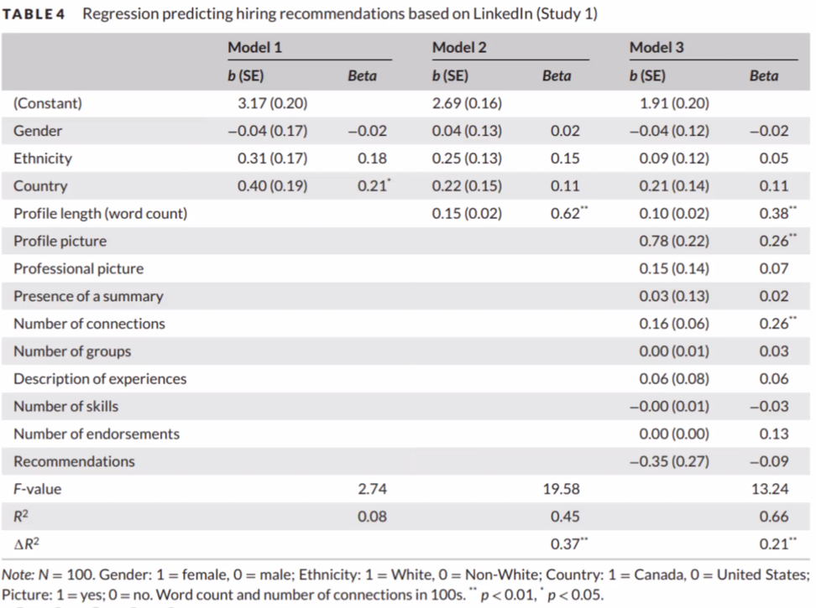
Single-predictor models
 | Supervisor Rating
 | b | corrected b | (SE) | beta | corrected beta | T-value | p
Neuroticism | 0.08 | -0.08 | 0.02 | 0.38 | -0.38 | 4.64 | <.001
Conscientiousness | -0.11 | 0.11 | 0.02 | -0.45 | 0.45 | -5.68 | <.001
Agreeability | -0.08 | 0.08 | 0.03 | -0.28 | 0.28 | -3.28 | 0.001
Openness | 0.003 | -0.003 | 0.03 | 0.01 | -0.01 | 0.114 | 0.91
Extraversion | -0.09 | 0.09 | 0.02 | -0.34 | 0.34 | -4.02 | <.001
AgreeNew | -0.09 | 0.09 | 0.02 | -0.32 | 0.32 | -3.81 | <.001
OpenNew | -0.01 | 0.01 | 0.02 | -0.06 | 0.06 | -0.65 | 0.52
ExtraNew | -0.07 | 0.07 | 0.02 | -0.33 | 0.33 | -3.96 | <.001

 | Model 1
 | b | Std. Error | R | R^2 | t value | Pr(>|t|) | VIF | Tolerance | F
(Intercept) | 0.46947 | 0.09233 |  |  | 5.085 | 0.00000131
data$conscMean | -0.07936 | 0.02385 | -0.33 | 0.1089 | -3.327 | 0.00115 | 1.58 | 0.63
data$neuroMean | 0.04212 | 0.02029 | 0.2 | 0.04 | 2.076 | 0.03999 | 1.58 | 0.63
Model |  |  |  | 0.23 |  |  |  |  | 18.71 (2, 125)***

 | Model 2
 | Estimate | Std. Error | R | R^2 | t value | Pr(>|t|) | VIF | Tolerance | F
(Intercept) | 0.44513 | 0.09293 |  |  | 4.79 | 0.00000468
data$conscMean | -0.09161 | 0.02486 | -0.38 | 0.1444 | -3.685 | 0.00034 | 1.74 | 0.58
data$neuroMean | 0.04192 | 0.02016 | 0.2 | 0.04 | 2.08 | 0.03963 | 1.58 | 0.63
data$openNewMean | 0.02291 | 0.01406 | 0.14 | 0.0196 | 1.629 | 0.10592 | 1.16 | 0.87
Model |  |  |  | 0.247 |  |  |  |  | 13.52 (3, 124)***

 |  |  |  |  |  |  |  |  |  |  | Model 1 |  |  | Model 2 |  |  | Model 3
 | Model Three |  |  |  |  |  |  |  |  |  | r | r^2 | Tolerance | r | r^2 | Tolerance | r | r^2 | Tolerance
 |  |  |  |  |  |  |  |  |  | (Constant)
Coefficients: |  |  |  |  |  |  |  |  |  | Conscientiousness | -0.33 | 0.1089 | 0.63 | -0.38 | 0.1444 | 0.58 | -0.35 | 0.1225 | 0.56
 | b | Std. Error | R | R^2 | t value | Pr(>|t|) | VIF | Tolerance | F | Neuroticism | 0.2 | 0.04 | 0.63 | 0.2 | 0.04 | 0.63 | 0.17 | 0.0289 | 0.59
(Intercept) | 0.50875 | 0.10489 |  |  | 4.85 | 0.00000365 |  |  |  | Openness |  |  |  | 0.14 | 0.0196 | 0.87 | 0.15 | 0.0225 | 0.86
Consc | -0.08535 | 0.02526 | -0.35 | 0.1225 | -3.379 | 0.000976 | 1.8 | 0.56 |  | Extraversion |  |  |  |  |  |  | -0.12 | 0.0144 | 0.7
Neuro | 0.0345 | 0.02091 | 0.17 | 0.0289 | 1.65 | 0.101416 | 1.7 | 0.59 |  | F |  | 18.71 (2, 125)*** |  |  | 13.52 (3, 124)*** |  |  | 10.62 (4, 123)***
Open_New | 0.02451 | 0.01408 | 0.15 | 0.0225 | 1.741 | 0.084204 | 1.16 | 0.86 |  | R^2 | 0.47958315233 | 0.23 |  | 0.49699094559 | 0.247 |  | 0.50695167423 | 0.257
Extra_New | -0.02582 | 0.01993 | -0.12 | 0.0144 | -1.296 | 0.19755 | 1.35 | 0.7 |  | deltaR^2 |  |  |  |  | 0.017 |  |  | 0.01
Model |  |  |  | 0.257 |  |  |  |  | 10.62 (4, 123)***

 | Model Four

 | Estimate | Std. Error | R | R^2 | t value | Pr(>|t|) | VIF | Tolerance | F |  | Model 4 |  |  |  | Model 5
(Intercept) | 0.64588 | 0.06445 |  |  | 10.022 | 2E-16 |  |  |  |  | b (SE) | r | r^2 | Tolerance | b (SE) | r | r^2 | Tolerance
data$conscMean | -0.10592 | 0.02212 | -0.44 | 0.1936 | -4.787 | 0.00000472 | 1.36 | 0.73 |  | (Constant) | 0.65 (0.06) |  |  |  | 0.31 (0.08)
data$openNewMean | 0.0252 | 0.01417 | 0.15 | 0.0225 | 1.779 | 0.0778 | 1.16 | 0.86 |  | Conscientiousness | -0.11 (0.02) | -0.44 | 0.1936 | 0.73
data$extraNewMean | -0.03483 | 0.0193 | -0.16 | 0.0256 | -1.805 | 0.0735 | 1.24 | 0.8 |  | Neuroticism |  |  |  |  | 0.06 (0.02) | 0.3 | 0.09 | 0.78
Model |  |  |  | 0.24 |  |  |  |  | 13.07 (3, 124)*** | Openness | 0.03 (0.01) | 0.15 | 0.0225 | 0.86 | 0.01 (0.01) | 0.06 | 0.0036 | 0.93
 |  |  |  |  |  |  |  |  |  | Extraversion | -0.03 (0.02) | -0.16 | 0.0256 | 0.8 | -0.05 (0.02) | -0.21 | 0.0441 | 0.78
 |  |  |  |  |  |  |  |  |  | F |  |  | 13.07 (3, 124)*** |  |  |  |  | 9.15 (3, 126)***
 | Model Five |  |  |  |  |  |  |  |  | R^2 |  |  | 0.24 |  |  |  |  | 0.179
 | Estimate | Std. Error | R | R^2 | t value | Pr(>|t|) | VIF | Tolerance | F | deltaR^2 |  |  |  |  |  |  |  | -0.061
(Intercept) | 0.314947 | 0.084417 |  |  | 3.731 | 0.000287
data$neuroMean | 0.062728 | 0.019271 | 0.3 | 0.09 | 3.255 | 0.001456 | 1.27 | 0.78
data$openNewMean | 0.009502 | 0.01442 | 0.06 | 0.0036 | 0.659 | 0.511162 | 1.07 | 0.93
data$extraNewMean | -0.047357 | 0.020655 | -0.21 | 0.0441 | -2.293 | 0.023517 | 1.29 | 0.78
Model |  |  |  | 0.179 |  |  |  |  | 9.15 (3, 126)***

